GARTNER IT LEADER'S TOOLKIT
Gartner for IT Leaders Toolkit

Tool: Checklist for Conducting IT M&A
Due Diligence

Use the checklist in this Tool as the starting point for IT information gathering during due diligence. Use the framework here to better understand your organization's merger or acquisition. The results will enable you to evaluate the target landscape, identify potential issues and to identify key risks and challenges in planning the integration.
Unless otherwise marked for external use, the items in this Gartner Tool are for internal noncommercial use by the licensed Gartner client. The materials contained in this Tool may not be repackaged or resold. Gartner makes no representations or warranties as to the suitability of this Tool for any particular purpose, and disclaims all liabilities for any damages, whether direct, consequential, incidental or special, arising out of the use of or inability to use this material or the information provided herein.

The instructions, intent and objective of this template are contained in the source document. Please refer back to that document for details.

© 2019 Gartner, Inc. and/or its affiliates. All rights reserved. Gartner is a registered trademark of Gartner, Inc. or its affiliates. This presentation, including all supporting materials, is proprietary to Gartner, Inc. and/or its affiliates and is for the sole internal use of the intended recipients. Because this presentation may contain information that is confidential, proprietary or otherwise legally protected, it may not be further copied, distributed or publicly displayed without the express written permission of Gartner, Inc. or its affiliates.

3 DS&R
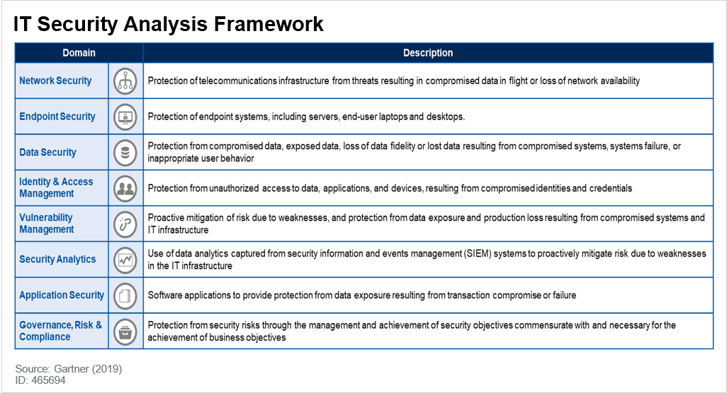
3: Data, Security and Risk
Data
Business Intelligence/Data Warehousing |  |  | Artifacts | Response | Available | Status | Issue | Notes/Comments
 | Obtain details of all business intelligence (BI) and data warehousing (DW) software and tools
 | Application/System Name and Version |  | Vendor (or Custom) | Description | User/License Numbers | Delivery | Criticality | Status | Issue
1
2
3
4
5
6
7
8
9
10

 | Identify if external BI/DW services are in place: |  | Contracts/service agreements
 |  | Identify provider
 |  | Service details
 |  | Term, etc.

 | Identify all databases:
 |  | Purpose/names
 |  | Servers/locations
 |  | Access/use

Security and Risk
 |  |  | Artifacts | Response | Available | Status | Issue | Notes/Comments
 | Consider or ask for previous/current controls or maturity assessments for the entities in question. |  | Maturity assessments
 | Ask for previous reports of vulnerability assessments and/or penetration tests. |  | Reports/assessments
 | Analyze program documentation, including certifications. |  | Reports/certifications
 | Review security documentation:
 |  | A security charter or policy (to assess business correlation and maturity). | Security policy
 |  | Scope and completelness of security and risk framework in place. | IT Security Analysis Framework
 |  | Certifications, if they exist (e.g., ISO 27001, FedRAMP, etc.) | Certifications
 |  | Target security strategy/roadmap (may have to be requested in certain cases). | Strategy/roadmap
 |  | Audit findings, if possible (e.g., SOC 1/SOC 2 audits, questionnaires). | Audits/reports
 |  | Recent security committee meeting minutes. | Security meeting minutes
 |  | Other types of program reports if they can be accessed, including metrics, board presentations, any public disclosures. | Reports
 |  | Details of security incidents. | Incident reports
 |  | Records of security readiness/capability representations made by the company. For example, "We patch our systems in 48 hours." And remedies if they overstate their capabilities. | Interviews / records
 |  | Security staffing — infrastructure, applications, vulnerability management, governance, risk management, compliance, management. | Organization chart
 |  | Details of all security technologies in place, including type, vendors etc.

 | Details of all security software, hardware and external services
 | Software Name and Version |  | Vendor | Description | Type |  | Criticality | Status | Issue
1
2
3
4
5
6
7
8
9
10

 | Hardware Name and Version |  | Vendor | Description | Type |  | Criticality | Status | Issues
1
2
3
4
5
6
7
8
9
10

 | External service |  | Vendor / supplier | Description | Duration | Issues | Criticality | Status
1
2
3
4
5
6
7
8
9
10

